pynq ip time table
將變數成變數,TCB位移算法使用verilog 燒成ip 放進pynq,
取1000000隨機整數丟進ip,紀錄運算時間,
使用TCB運算的速度在計算1000000變數的時間比用乘法運算快13秒
 | shift time | multiply time
1 | 60.399395704 | 72.982180357
2 | 59.968682528 | 73.277957201
3 | 59.970388412 | 73.473369122
4 | 59.747520208 | 73.322377443
5 | 60.412368298 | 73.09881711
6 | 60.174400568 | 73.398184538
7 | 59.782921314 | 74.534355879
8 | 59.662836313 | 74.100487709
9 | 59.983867645 | 73.259829521
10 | 59.970003366 | 73.213805676
 | 60.007238436 | 73.466136456
 | unit:s | unit:s

synthesis outcome
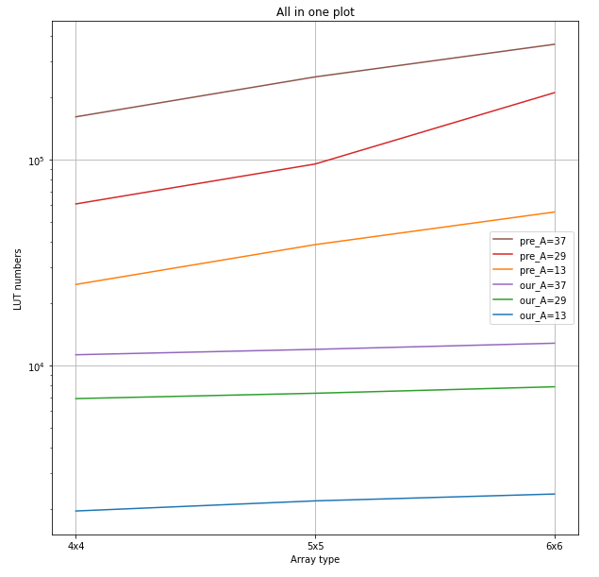
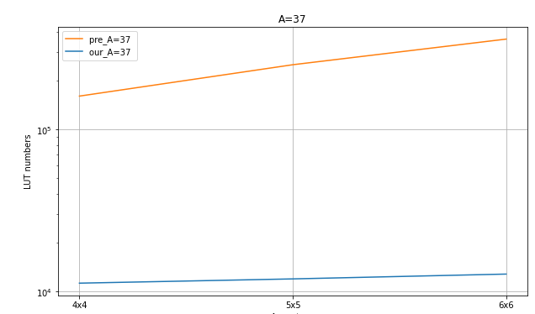
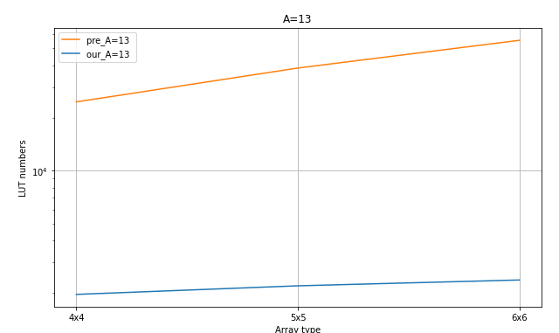
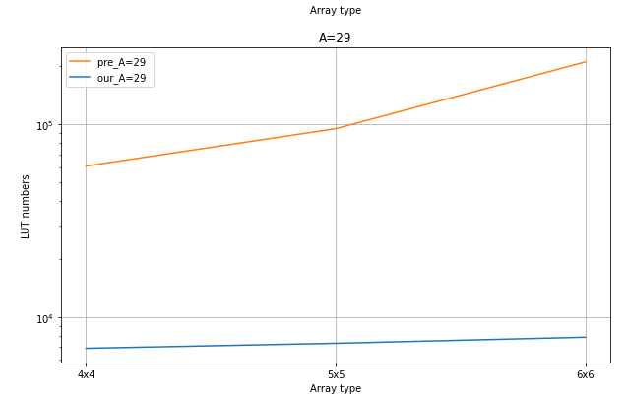
synthesis |  | Ours |  |  |  | AN decoder array

experimental result |  | LUT | DSP | MUXFx | CarryLogic | LUT | DSP | MUXFx | CarryLogic | A=13 |  | elavuated L for each A
4x4 | A=13 | 1963 | 0 | 3 | 422 | 24720 | 0 | 80 | 6240 | 5x5-4x4 | 235 | 26.111111111 | 13880 | 1542.2222222
 | A=29 | 6899 | 16 | 49 | 1385 | 60848 | 0 | 1152 | 13312 | 6x6-5x5 | 175 | 15.909090909 | 16984 | 1544
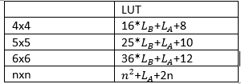
 | A=37 | 11263 | 16 | 208 | 2452 | 161200 | 0 | 1248 | 37504 | A=29
5x5 | A=13 | 2198 | 0 | 2 | 440 | 38600 | 0 | 125 | 9750 | 5x5-4x4 | 424 | 47.111111111 | 34227 | 3803
 | A=29 | 7323 | 25 | 104 | 1430 | 95075 | 0 | 1800 | 20800 | 6x6-5x5 | 551 | 50.090909091 | 116029 | 10548.090909
 | A=37 | 11967 | 25 | 234 | 2524 | 251875 | 0 | 1950 | 58600 | A=37
6x6 | A=13 | 2373 | 0 | 1 | 462 | 55584 | 0 | 180 | 14040 | 5x5-4x4 | 704 | 78.222222222 | 90675 | 10075
 | A=29 | 7874 | 36 | 104 | 1485 | 211104 | 0 | 4464 | 47232 | 6x6-5x5 | 850 | 77.272727273 | 110825 | 10075
 | A=37 | 12817 | 36 | 182 | 2612 | 362700 | 0 | 2808 | 84384

